B
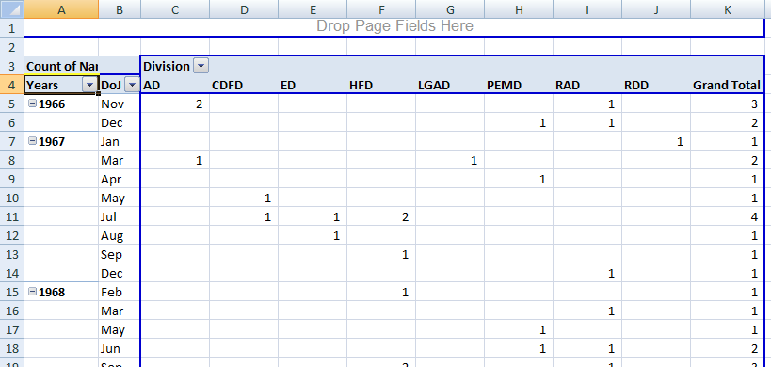
1 | Division-wise - Total salary, Average salary and Headcount
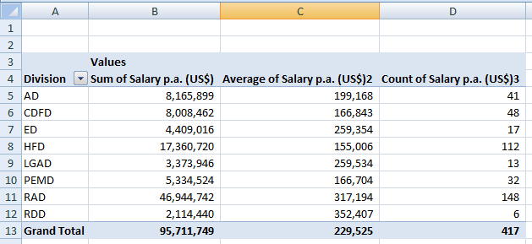

2 | Division-wise - % of Salary vs. % of Headcount
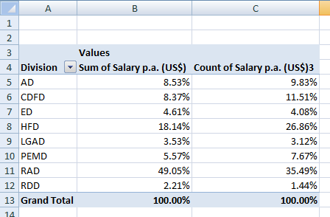

3 | Division-wise & Rating-wise Headcount
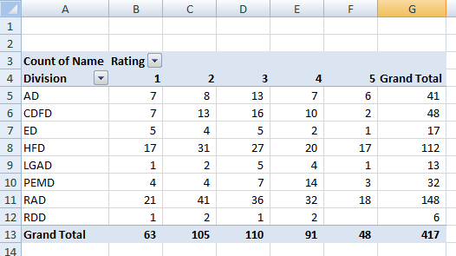

4 | Division-wise & Age-group wise Headcount

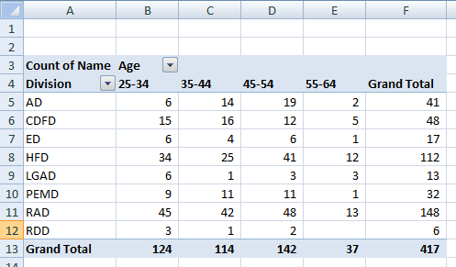

5 | Salary-pool wise and Rating wise Headcount
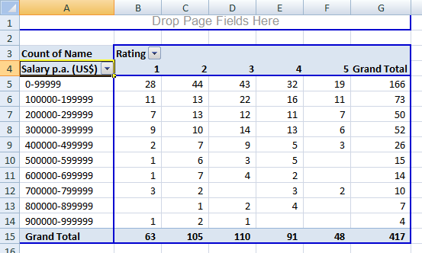

6 | Year and month wise Employees joining across divisions

